Home
EVM Calculator with PMP Mock Test ©JayantKodwani.com
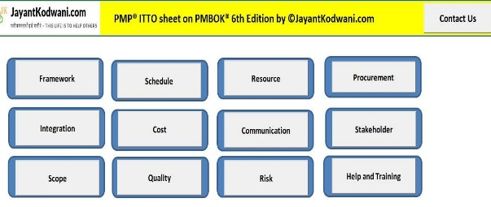
This tool has been designed in order to help PMP aspirants in understanding the important fields and calculations involved in Earned Value Management concepts.
Earned Value Management is a methodology that combines scope, schedule, and resource measurements to assess project performance and progress.
Further, this tool can be used by PMP certified Professionals and Project Managers for their day to day earned value calculations



Disclaimer:“PMI®”, “PMBOK®”, “PMP®” are registered marks of the Project Management Institute, Inc.
Contents of this spreadsheet are protected under Copyrights Law ©JayantKodwani.com

EVM_Calculator
Enter % of work complete, planned value, AC and BAC. Rest of the metrics will be calculataed accordingly.
# | Metric | Acronym | Formula | Calculation | Alternate Formula
1 | Earned Value % | EV% | Earned Value % = (EV/BAC)x100 | 35%
2 | Planned Value % | PV% | Planned Value % = (PV/BAC)x100 | 40%
3 | Actual Cost AC | AC |  | 425000
4 | Budget At Completion (BAC) | BAC |  | 850000

Carefully observe the calculations of each metric. i.e. How CPI has been calculated by dividing Earned value EV by Actual cost AC
5 | Earned Value (EV) | EV | EV= (% Earned Value x BAC) | 297500
6 | Planned Value (PV) | PV | PV= (% Planned Value x BAC) | 340000
7 | Schedule Variance (SV) | SV | SV = EV-PV | -42500
8 | Cost Variance (CV) | CV | CV = EV-AC | -127500
9 | Cost Performance Index (CPI) | CPI | CPI = EV/AC | 0.700
10 | Schedule Performace Indicator (SPI) | SPI | SPI = EV/PV | 0.875
11 | Remaining work (RW) | RW | RW= (BAC-EV) | 552500
12 | Burn Rate | BR | Burn Rate = (1/CPI) | 1.43
13 | Estimate to Complete At same variance Typical (ETC1) | ETC1 | ETC1 = RW/Current CPI | 789286
14 | Estimate at Completion Typical (EAC1) | EAC1 | EAC1=BAC/CPI | 1214286 | 1214286
15 | To complete performance Index at same variance Typical (TCPI1) | TCPI1 | TCPI1=RW/ETC1 | 0.7
16 | Estimate to Complete At no more variances atypical (ETC2) | ETC2 | ETC2= BAC-AC | 425000
17 | Estimate at Completion aTypical | EAC2 | EAC2=AC+RW | 977500
18 | To complete performance Index at no more variances atypical (TCPI2) | TCPI2 | TCPI2= RW/ETC2 | 1.3
19 | Savings by controlling CPI | SAV | Savings= EAC1-EAC2 | 236786
20 | % Savings by controlling CPI | SAV% | % Savings = (EAC1-EAC2)/EAC1 | 20%

 | Project Cost Status |  | Over Budget
 | Project Schedule Status |  | Behind Schedule

